Commercial
COMMERCIAL VACANCY SCHEDULE - AUGUST 2026
For any enquiries or property viewings contact:
Ashni Vengetass
E: ashni@alw.co.za
T: +27 81 018 3228
SANDTON

 | BUILDING | TYPE & USE | UNIT NO/ FLOOR | TOTAL AREA | RENTAL (EXCL. VAT) | PARKING BAYS @ R950/BAY | STOAGE @ R75/m² (OPTIONAL) | BALCONY @ R75/m² | TENANT INSTALLATION ALLOWANCE | WEBSITE LISTING | OCCUPATION
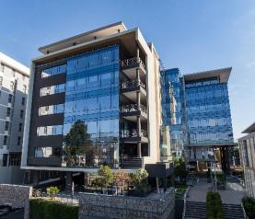 | Atholl Towers 129 Patricia Road | Commercial - Offices | First Floor | 155m² | R198 (Gross) | 8 (5/100m²) | 24m² | N/A | 0.5 months for each year of lease (Negotiable) | Atholl Towers Listings | Immediate
 |  |  | Third Floor | 1282m² (Subdivisible) | R198 (Gross) | 64 (5/100m²) | 32m² | 17.2m² | 1 month for each year of lease (Negotiable) |  | Immediate
MEETUP@ATHOLL 2 - SERVICED SUITES OFFERING AT ATHOLL TOWERS

 | BUILDING | TYPE & USE | UNIT NO/ FLOOR | DESKS | RENTAL (EXCL. VAT) | PARKING BAYS | STOAGE @ R75/m² (OPTIONAL) | BALCONY | ADDITIONAL COSTS | WEBSITE LISTING | OCCUPATION
Meetup @ Atholl Two Executive Suites facility on the second floor | Suites services includle all operating and consumption costs including internet, cleaning and coffee/tea. Suites have access to: 10 hours of meeting room access is included Internal Meeting Room (2nd Floor): 6 Seater Teams Room and 2x Zoom Rooms External Meeting Room (Ground Floor): 10 Seater Boardroom, 6 seater meeting room, Pause Area
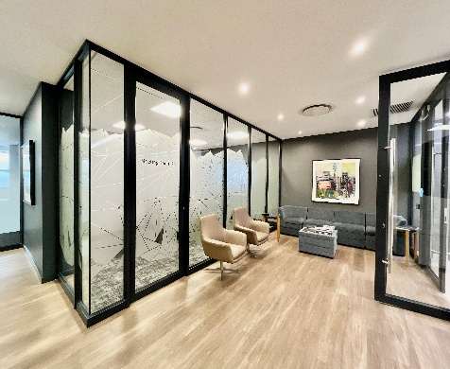 | Atholl Towers 129 Patricia Road | Commercial - Offices | Meetup@ Atholl 2 Suite 2,12 | 1-4 Desks | R14,847.47 | 3 (Part of serviced rental offering) | 25m² | N/A | None - All consumption and operating costs included | Atholl Towers Listings | 1-Sep-26
HOUGHTON

 | BUILDING | TYPE & USE | UNIT NO/ FLOOR | TOTAL AREA | RENTAL (EXCL. VAT) | BASEMENT PARKING BAYS @ R750/BAY | OPEN PARKING BAYS @ R610/BAY | STOAGE @ R100/m² | TENANT INSTALLATION ALLOWANCE | WEBSITE LISTING | OCCUPATION
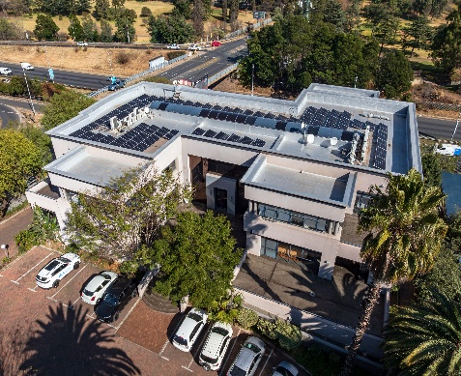 | 79 Central Avenue | Commercial - Offices | Building | 1500m² | R167/m² | 38 | 48 | 7m² | 1 month for each year of lease (Negotiable) | 79 Central | 2026-11-01
PARKTOWN

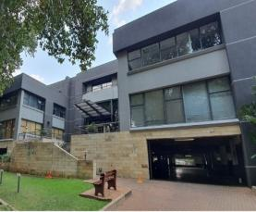
 | BUILDING | TYPE & USE | UNIT NO | TOTAL AREA | RENTAL (EXCL. VAT) | ADDITIONAL COSTS | INFORMATION | WEBSITE LISTING | OCCUPATION | PARKING
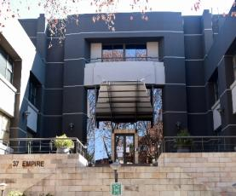 | 37 Empire Road | Commercial - Offices | Building for sale | Ground Floor 1500m², First Floor 1500m², Second Floor 400²,Store-room 40m² | Selling Price R43 Million ex vat | Fixed Charges Airconditioning servicing, meter reading charges and refuse. Variable Charges Utilities as per metered consumption. Electricity, water, sewerage and diesel for generator. | Well-maintained, secure office block in a sought-after location in Parktown. Centrally-loacted with excellent access to highways, main arterials and BRT bus route. Offices are spacious and fully airconditioned. There is a 50kva backup generator and water backup system, Additional Bulk Available. | 37 Empire | Immediate | 133 Basement Bays abnd 89 Open Bays
 |  |  | Office 1 Ground Floor | 1500m² | R157 500/month = R105/m² |  |  |  | Immediate | Basement Bays available at 4/100m² @ R650 per bay & Open Bays @ R520 per bay
 |  |  | Office 2 First Floor | 1500m² | R157 500/month = R105/m² |  |  |  | Immediate
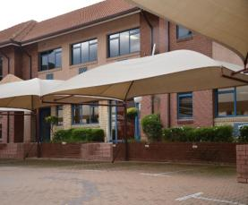
 |  |  | Office 3 Second Floor | 400m² | R42 000/month = R105/m² |  |  |  | Immediate
 | 39 Empire Road | Commercial - Offices | Section 2 | 388m² | R38,412 | Fixed Charges Airconditioning servicing, meter reading charges and refuse. Variable Charges Utilities as per metered consumption. Electricity, water, sewerage and diesel for generator. | Well-maintained, secure office block in a sought-after location in Parktown. Centrally-loacted with excellent access to highways, main arterials and BRT bus route. Offices are fully airconditioned and has a backup generator. | 39 Empire | Immediate | 16 Basement Bays & 10 Open Bays
 |  |  | Section 3 | 394m² | R39,006 |  |  |  | Immediate | 17 Basement Bays & 9 Open Bays
 |  |  | Section 4 | 404m² | R43,010 |  |  |  | Immediate | 17 Basement Bays & 9 Open Bays
 | 43 Empire Road | Commercial - Offices | Office 1 | 301m² | R29,799 | Fixed Charges Airconditioning servicing, meter reading charges and refuse. Variable Charges Utilities as per metered consumption. Electricity, water, sewerage and diesel for generator. | Well-maintained, Recently renovated office in a sought-after, secure location in Parktown. Centrally-located with excellent access to highways, main arterials and BRT bus route. Office is fully air-conditioned and has a backup generator. | 43 Empire | Immediate | 12 Basement Bays @ R350 per bay and 2 open bays @ R250 per bay.
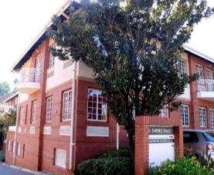 |  |  | Office 2 Block A | 331m² | R32,769 |  |  |  |  | 16 Basement Bays @ R350 per bay and 10 open bays @ R250 per bay.
ALW Properties (Pty) Ltd
2nd Floor Atholl Towers | 129 Patricia Road | Sandown, Sandton | 2196
P.O. Box 46214 | Orange Grove | 2119
011 728 700
*This information does not constitute a mandate

Industrial
INDUSTRIAL VACANCY SCHEDULE - AUGUST 2026
For any enquiries or property viewings contact:
Cole Van Beek
E: cole@alw.co.za
T: +27 69 269 6607
For any enquiries or property viewings contact:
Ashni Vengetass
E: ashni@alw.co.za
T: +27 81 018 3228
GERMISTON

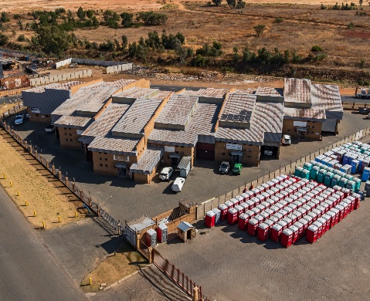
 | BUILDING | TYPE & USE | UNIT NO | TOTAL AREA | RENTAL (EXCL. VAT) | ADDITIONAL COSTS | INFORMATION | WEBSITE LISTING | OCCUPATION | PARKING
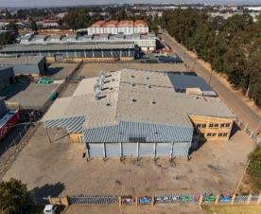 | Simmerpan 102 Cocopan Crescent | Industrial | Yard 109 | 1969m² | R29 535/month (R15/m²) | Assessment rates increases & refuse | Secure commercial park with excellent highway access. Deposit of 2 months payable. | Simmerpan listing | Immediately | N/A
 | Stear Mini 18 Sharland Avenue | Industrial | Unit 2 | 240m² | R13 500/month (R56.25/m²) | Assessment rates increases, levies, refuse, electricity, water, sewerage, meter reading charges | Secure commercial park with excellent highway access. Deposit of 2 months payable. | Stear Mini listing | 1-Aug-26 | N/A
 |  |  | Unit 5 | 240m² | R13 500/month (R56.25/m²)
BARTLETT

 | BUILDING | TYPE & USE | UNIT NO | TOTAL AREA | RENTAL (EXCL. VAT) | ADDITIONAL COSTS | INFORMATION | WEBSITE LISTING | OCCUPATION | PARKING
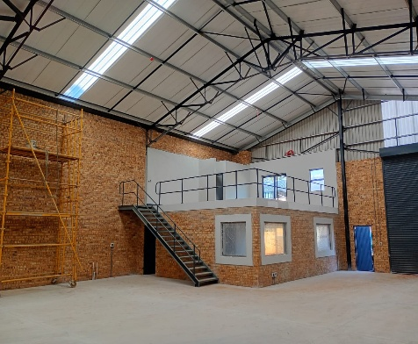 | Airport Strategic Park Cnr Empire and Equity Road | Industrial | Unit 6 Unit 7 Unit 14 | 404m² 395m² 395m² | R100/m² | Assessment rates increases, refuse, electricity, water, sewerage, meter reading charges | Secure commercial park with excellent highway access. Deposit of 2 months payable. | Airport Strat Park listing | 2026-09-01 | N/A

Retail
RETAIL VACANCY SCHEDULE - AUGUST 2026
For any enquiries or property viewings contact:
Cole Van Beek
E: cole@alw.co.za
T: +27 69 269 6607
For any enquiries or property viewings contact:
Ashni Vengetass
E: ashni@alw.co.za
T: +27 81 018 3228
FLORIDA

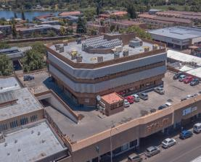
 | BUILDING | TYPE & USE | UNIT NO | TOTAL AREA | RENTAL (EXCL. VAT) | ADDITIONAL COSTS | INFORMATION | WEBSITE LISTING | OCCUPATION | PARKING
 | The Galleria 16 Goldman Street | Retail: Shop | Shop A | 151m² | R50 - R65/m² | Utilities as per metered consumption - Electricity, water, sewerage & meter reading charges | Shops available in The Galleria Shopping Centre in the heart of Florida's CBD, located on both Goldman and Plaza Road with plenty of foot traffic. | The Galleria listing | Immediate | Yes
 |  | Retail: Shop | Shop B | 172m² | R50 - R65/m² |  |  |  | Immediate | Yes
 |  | Retail: Shop | Shop C | 408m² | R50 - R65/m² |  |  |  | Immediate | Yes
 |  | Retail: Shop | Shop D | 319m² | R50 - R65/m² |  |  |  | Immediate | Yes
 |  | Retail: Shop | Shop J | 93m² | R50 - R65/m² |  |  |  | Immediate | Yes
ALW Properties (Pty) Ltd
2nd Floor Atholl Towers | 129 Patricia Road | Sandown, Sandton | 2196
P.O. Box 46214 | Orange Grove | 2119
011 728 700
*This information does not constitute a mandate

Broker Ts & Cs
For any enquiries or property viewings contact:
Cole Van Beek
E: cole@alw.co.za
T: +27 69 269 6607
For any enquiries or property viewings contact:
Ashni Vengetass
E: ashni@alw.co.za
T: +27 81 018 3228

BROKER TERMS AND CONDITIONS:
All introductions must be made in writing and acknowledged by us in writing. Only a submitted Offer to Lease will be considered for acceptance.
As soon as possible thereafter it is the agents’ responsibility to arrange a meeting between the client and ourselves.
Should ALW Properties not have met with the client within 30 (thirty) days of the introduction, the introduction will lapse.
No agent boards to be erected at properties without prior written consent.
COMMISSION:
Lease commission will be calculated on the following guidelines, unless negotiated differently between the parties:
o 5% on the first 2 years’ gross rentals (excluding assessment rates);
o 2.5% on the next 3 years’ gross rentals (excluding assessment rates);
o 1.5% on the next 3 years’ gross rentals (excluding assessment rates);
o 1% on the balance (excluding assessment rates), plus Value Added Tax;
o Commission will be reduced where concessions have been negotiated by the tenant or where the space being leased is over 1,000m²; and
o Commission is not payable on renewals, rent free periods, options and additional space leased by the tenant.
Commission on sales will be by negotiation.
Payment on sales commission will be made on transfer of the property.
Payment of commission on new leases will be made after:
o Receipt by ALW Properties of the fully and correctly signed original lease agreement and the original surety document where applicable.
o Receipt by ALW Properties of the deposits, lease fee and first month’s rental payment. In the absence of a cash deposit the delivery of the original bank guarantee.
o All suspensive conditions to the lease have been fulfilled.
o Receipt by ALW Properties of a full set of FICA documentation of the tenant.
o Physical occupation of the premises by the tenant.

